TABLE A $ Range
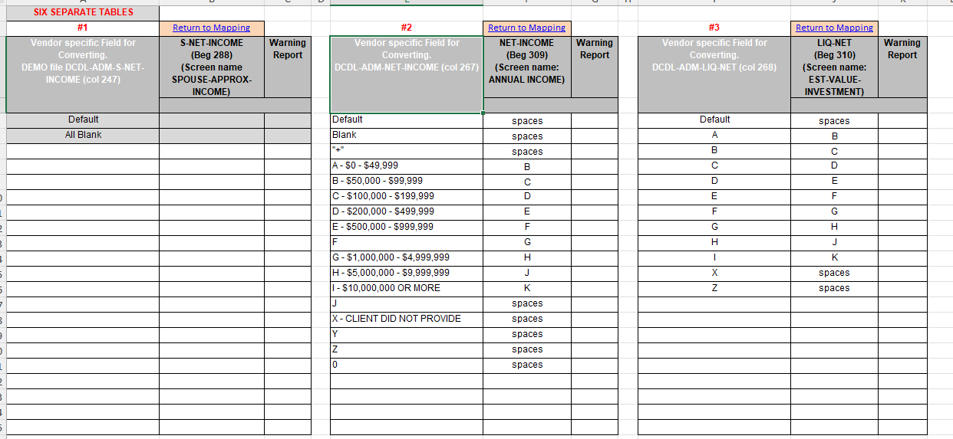
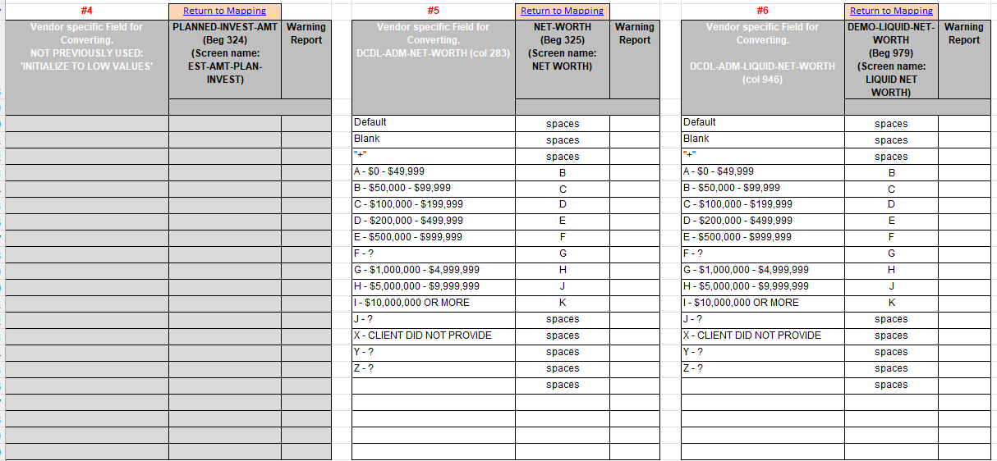
6 SEPARATE TABLES
#1A | Return to Mapping |  | #1B | Return to Mapping |  | #2 | Return to Mapping |  | #3 | Return to Mapping
DCDL-ADM-LIQ-NET (col 268) | S-NET-INCOME (beg 288) (Screen name SPOUSE-APPROX-INCOME) | Warning Report (Y/N) | DCDL-ADM-LIQUID-NET-WORTH (col 946) | S-NET-INCOME (beg 288) (Screen name SPOUSE-APPROX-INCOME) | Warning Report (Y/N) | DCDL-ADM-NET-INCOME (col 267) | NET-INCOME (beg 309) (Screen name: ANNUAL INCOME) | Warning Report (Y/N) | DCDL-ADM-LIQ-NET (col 268) | LIQ-NET (beg 310) (Screen name: EST-VALUE-INVESTMENT) | Warning Report (Y/N)
Default |  |  | Default |  |  | Default | spaces | N | Default | spaces
 |  |  |  |  |  | A | A | N | A | A
 |  |  |  |  |  | B | C | N | B | C
 |  |  |  |  |  | C | D | N | C | D
 |  |  |  |  |  | D | E | N | D | E
 |  |  |  |  |  | E | F | N | E | F
 |  |  |  |  |  | F |  |  | F
 |  |  |  |  |  | G | G | N | G | G
 |  |  |  |  |  | H | J | N | H | J
 |  |  |  |  |  | I | K | N | I | K
 |  |  |  |  |  | X | spaces | N | X | spaces
 |  |  |  |  |  | Z |  |  | Z
 |  |  |  |  |  | Blank | spaces | N | Blank | spaces

#4 | Return to Mapping |  | #5 | Return to Mapping |  | #6 | Return to Mapping
DCDL-ADM-PLANNED-INVEST-AMT (col 282) | PLANNED-INVEST-AMT (beg 324) (Screen name: EST-AMT-PLAN-INVEST) | Warning Report (Y/N) | DCDL-ADM-NET-WORTH (col 283) | NET-WORTH (beg 325) (Screen name: NET WORTH) | Warning Report (Y/N) | DCDL-ADM-LIQUID-NET-WORTH (col 946) | DEMO-LIQUID-NET-WORTH (beg 979) (Screen name: LIQUID NET WORTH) | Warning Report (Y/N)
Default |  |  | Default | spaces | N | Default | spaces | N
 |  |  | A | A | N | A | A | N
 |  |  | B | C | N | B | C | N
 |  |  | C | D | N | C | D | N
 |  |  | D | E | N | D | E | N
 |  |  | E | F | N | E | F | N
 |  |  | F |  |  | F
 |  |  | G | G | N | G | G | N
 |  |  | H | J | N | H | J | N
 |  |  | I | K | N | I | K | N
 |  |  | X | spaces | N | X | spaces | N
 |  |  | Z |  |  | Z
 |  |  | Blank | spaces | N | Blank | spaces | N

City Securities - 2017

TABLE C ASSOC FIELDS
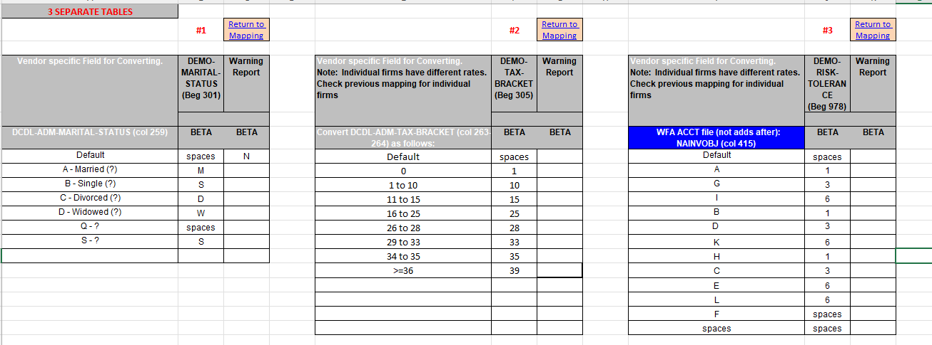
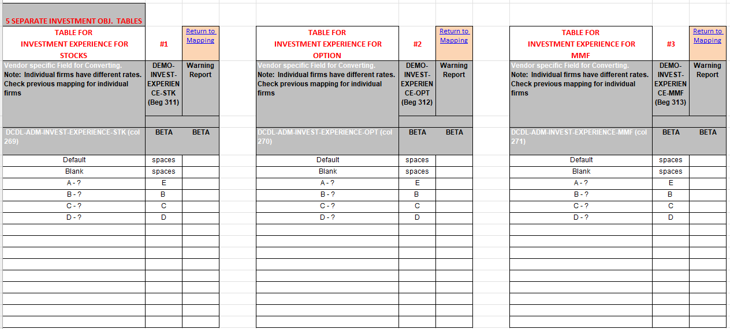
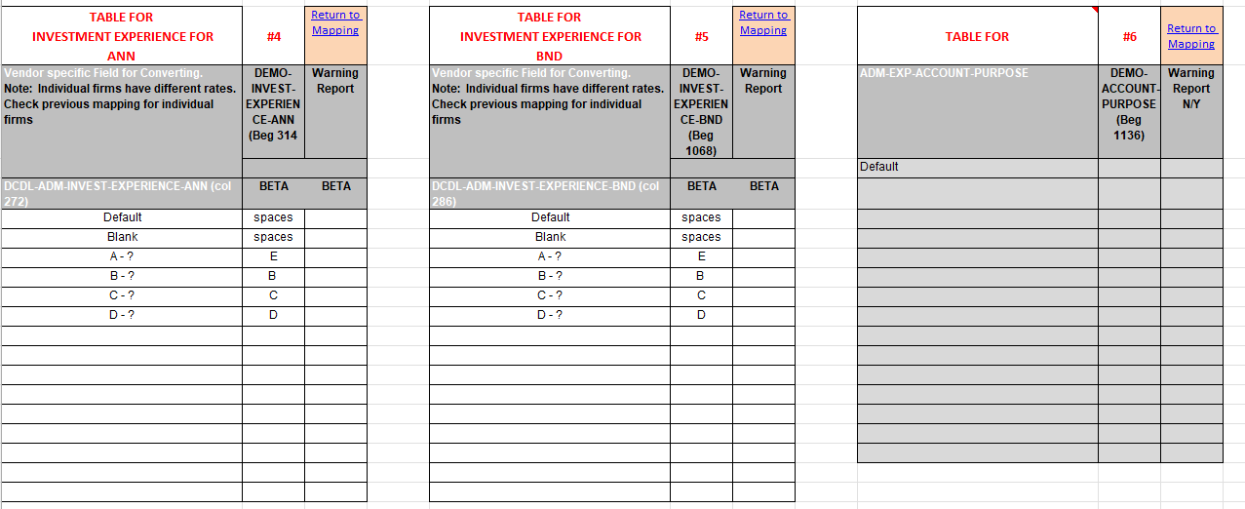
Note: Individual firms have different rates. Check previous mapping for individual firms |  |  |  |  |  |  |  |  |  | NEW TABLE 3b
3 SEPARATE TABLES
#1 | Return to Mapping |  | #2 | Return to Mapping |  |  | #3a | Return to Mapping |  | #3b | Return to Mapping
DCDL-ADM-MARITAL-STATUS (col 259) | DEMO-MARITAL-STATUS (beg 301) | Warning Report (Y/N) | DCDL-ADM-TAX-BRACKET (col 263-264) | DEMO-TAX-BRACKET (beg 305) | Warning Report (Y/N) |  | D-ACT-INVOBJ (col 323) | DEMO-RISK-TOLERANCE (beg 978) | Warning Report (Y/N) | DCDL-ADM-RISK-TOLERANCE (col 864) | DEMO-RISK-TOLERANCE (beg 978) | Warning Report (Y/N)
Default | spaces | N | Default | spaces | N |  | Defautl | spaces | N | Default | spaces | N
A | M | N | 0 | 0 | N |  | A | 1 | N | BLANK | spaces | N
B | S | N | 2 | 0 | N |  | B | 1 | N | A | 1 | N
C | D | N | 10 | 10 | N |  | C | 3 | N | B | 1 | N
D | W | N | 11 | 10 | N |  | D | 3 | N | C | 3 | N
M | spaces | N | 12 | 12 | N |  | E | 6 | N | D | 3 | N
Q | spaces | N | 15 | 12 | N |  | F | spaces | N | E | 6 | N
S | S | N | 16 | 12 | N |  | G | 6 | N | G | 6 | N
Space | spaces | N | 18 | 12 | N |  | H | 1 | N | H | 1 | N
 |  |  | 20 | 22 | N |  | I | 6 | N | I | 6 | N
 |  |  | 22 | 22 | N |  | K | 6 | N | K | 6 | N
 |  |  | 24 | 24 | N |  | L | 6 | N | L | 6 | N
 |  |  | 26 | 24 | N
A = Married |  |  | 26 | 24 | N
B - Single |  |  | 28 | 24 | N
C - Divorced |  |  | 30 | 32 | N
D - Widowed |  |  | 31 | 32 | N
 |  |  | 32 | 32 | N
 |  |  | 33 | 32 | N
 |  |  | 35 | 35 | N
 |  |  | 37 | 37 | N
 |  |  | 39 | 37 | N
 |  |  | 50 | 37 | N

5 SEPARATE INVESTMENT OBJ. TABLES
INVESTMENT EXPERIENCE FOR STOCKS | #1 | Return to Mapping | INVESTMENT EXPERIENCE FOR OPTION | #2 | Return to Mapping |  | INVESTMENT EXPERIENCE FOR MUTUAL FUNDS | #3 | Return to Mapping
DCDL-ADM-INVEST-EXPERIENCE-STK (col 269) | DEMO-INVEST-EXPERIENCE-STK (beg 311) | Warning Report (Y/N) | DCDL-ADM-INVEST-EXPERIENCE-OPT (col 270) | DEMO-INVEST-EXPERIENCE-OPT (beg 312) | Warning Report (Y/N) | Date Changed | DCDL-ADM-INVEST-EXPERIENCE-MMF (col 271) | DEMO-INVEST-EXPERIENCE-MMF (beg 313) | Warning Report (Y/N)
Default | spaces | N | Default | spaces | N |  | Default | spaces | N
A | A | N | A | A | N |  | A | A | N
B | B | N | B | B | N |  | B | B | N
C | C | N | C | C | N |  | C | C | N
D | D | N | D | D | N | 2025-03-05 | D | C D | N
X | spaces | N | X | spaces | N |  | X | spaces | N
Space | spaces | N | Space | spaces | N |  | Space | spaces | N

INVESTMENT EXPERIENCE FOR ANNUITY/LIFE INSURANCE | #4 | Return to Mapping | INVESTMENT EXPERIENCE FOR BONDS | #5 | Return to Mapping
DCDL-ADM-INVEST-EXPERIENCE-ANN (col 272) | DEMO-INVEST-EXPERIENCE-ANN (beg 314) | Warning Report (Y/N) | DCDL-ADM-INVEST-EXPERIENCE-BND (col 286) | DEMO-INVEST-EXPERIENCE-BND (beg 1068) | Warning Report (Y/N)
Default | spaces | N | Default | spaces | N
A | A | N | A | A | N
B | B | N | B | B | N
C | C | N | C | C | N
D | D | N | D | D | N
X | spaces | N | X | spaces | N
Space | spaces | N | Space | spaces | N

City Securities - 2017

TABLE D TIME NEEDS
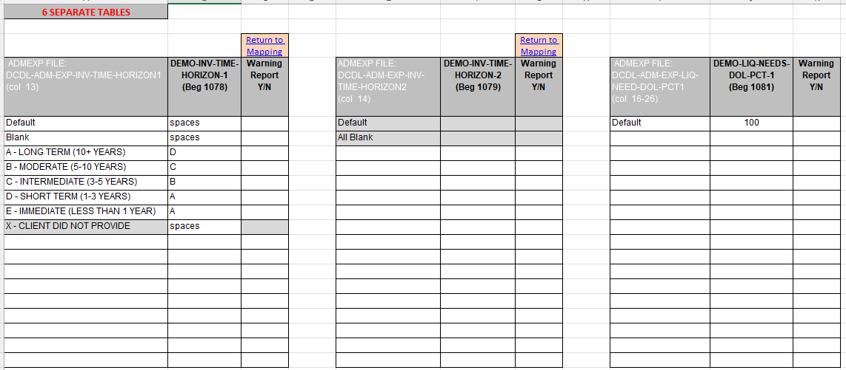
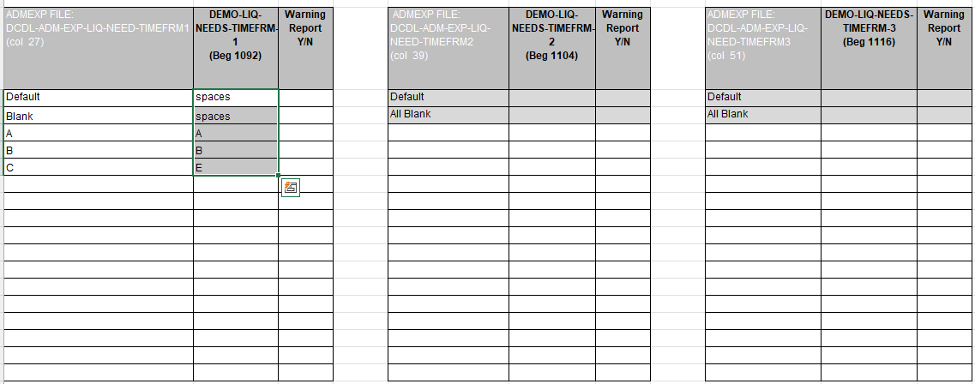
7 SEPARATE TABLES
#1 | Return to Mapping |  | #2 | Return to Mapping |  | #3
ADMEXP FILE: DCDL-ADM-EXP-INV-TIME-HORIZON1 (col 13) | DEMO-INV-TIME-HORIZON-1 (beg 1078) | Warning Report (Y/N) | ADMEXP FILE: DCDL-ADM-EXP-INV-TIME-HORIZON2 (col 14) | DEMO-INV-TIME-HORIZON-2 (beg 1079) | Warning Report (Y/N) | ADMEXP FILE: DCDL-ADM-EXP-LIQ-NEED-DOL-PCT1 (col 16-26) | DEMO-LIQ-NEEDS-DOL-PCT-1 (beg 1081) | Warning Report (Y/N)
Default | spaces |  | Default |  |  | Default | 100
A | D
B | C
C | B
D | A
E | A
X | spaces

A - LONG TERM (10+ YEARS)
B - MODERATE (5-10 YEARS)
C - INTERMEDIATE (3-5 YEARS)
D - SHORT TERM (1-3 YEARS)
E - IMMEDIATE (LESS THAN 1 YEAR)
X - CLIENT DID NOT PROVIDE

#4 |  |  | #5 |  |  | #6
ADMEXP FILE: DCDL-ADM-EXP-LIQ-NEED-TIMEFRM1 (col 27) | DEMO-LIQ-NEEDS-TIMEFRM-1 (beg 1092) | Warning Report (Y/N) | ADMEXP FILE: DCDL-ADM-EXP-LIQ-NEED-TIMEFRM2 (col 39) | DEMO-LIQ-NEEDS-TIMEFRM-2 (beg 1104) | Warning Report (Y/N) | ADMEXP FILE: DCDL-ADM-EXP-LIQ-NEED-TIMEFRM3 (col 51) | DEMO-LIQ-NEEDS-TIMEFRM-3 (beg 1116) | Warning Report (Y/N)
Default | spaces |  | Default |  |  | Default
A | A
B | B
C | E

#7 | Return to Mapping
DCDL-ADM-EXP-ACCOUNT-PURPOSE (col 120) | DEMO-ACCOUNT-PURPOSE (beg 1136) | Warning Report (Y/N)

City Securities - 2017

